About
BVTStL Boolean Vehicle Types Subject to LCFS
 |  |  | 现代化工文章
Source: | California Air Resources Board |  | https://mp.weixin.qq.com/s?__biz=MzA3ODQ0MjA1MA==&mid=2650254384&idx=1&sn=57040bc173ac2820cff24c85905b45a0&chksm=8741b71db0363e0b026453854a0174440838d6d00b3cbc18bfc22f1c9a7541399d7e9c7b2c37&scene=27
 | 2015 |  | 国内目前未见有类似的低碳燃料标准施行。2009年，中国标准化研究院牵头多家单位，共同起草了《交通燃料使用前各生命周期阶段温室气体排放的评价原则和要求》和《交通燃料使用前各生命周期阶段温室气体报告和核查要求》两项国家标准的报批稿，然而未见实施。
 | Low Carbon Fuel Standard: Final Regulation Order |  | 对于我国的液体燃料供应商及相关政府部门和研究机构，可酌情参考国外比较成熟的范例，例如：美国联邦的RFS及加州的LCFS，构建我国的相关标准体系。
 | https://www.arb.ca.gov/regact/2015/lcfs2015/lcfsfinalregorder.pdf
 | Page 15 |  | 《乘用车企业平均燃料消耗量与新能源汽车积分并行管理办法》
 |  |  | http://www.catarc.info/news/11541.cshtml
 | Renewable Fuel Standard
 | https://ethanolrfa.org/policy/renewable-fuel-standard
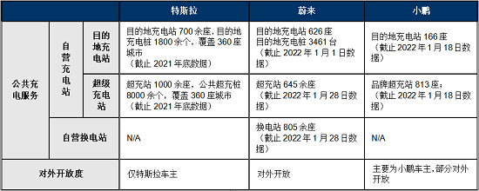
 | 加拿大清洁燃料标准 | Clean Fuel Standard
 | 2020

Notes
The LCFS percentage set (both the BAU LCFS and the user-specified
Additional LCFS Percentage policy lever) will only refer to the fuel
used by the vehicle types specified in this variable. Other vehicle
types will be unaffected by the LCFS.

Based on the California LCFS, we choose to exempt aircraft. |  |  | https://www.canada.ca/en/environment-climate-change/services/managing-pollution/energy-production/fuel-regulations/clean-fuel-regulations.html
 |  |  | CFS强制液体化石燃料（汽油、柴油、家庭取暖用燃料油等，但航空燃料不在范围内）生产或进口商降低其产品CI值

